Sheet1
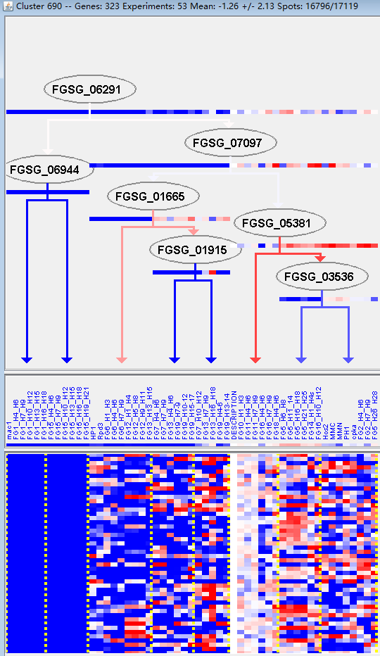
k | Filter | FUNCTIONAL CATEGORY | abs SET | rel SET | genes SET | abs GENOME | rel GENOME | rel SET/rel GENOME | P-VALUE | Bonferroni_corr | FDR
20.09.18 cellular import | 21 | 7.74 | FGSG_00107 FGSG_00666 FGSG_01311 FGSG_02064 FGSG_02252 FGSG_02272 FGSG_02358 FGSG_03855 FGSG_03675 FGSG_03347 FGSG_12471 FGSG_05160 FGSG_05848 FGSG_06815 FGSG_07350 FGSG_07543 FGSG_08774 FGSG_13404 FGSG_09297 FGSG_11111 FGSG_11339 | 519 | 3.75 | 2.064 | 0.001383627
20.01 transported compounds (substrates) | 47 | 17.3 | FGSG_00107 FGSG_00257 FGSG_00268 FGSG_00416 FGSG_00490 FGSG_00556 FGSG_00666 FGSG_01015 FGSG_01311 FGSG_01349 FGSG_01799 FGSG_02064 FGSG_02252 FGSG_02272 FGSG_02287 FGSG_02358 FGSG_03860 FGSG_03855 FGSG_03347 FGSG_12471 FGSG_03260 FGSG_03249 FGSG_02968 FGSG_02869 FGSG_02847 FGSG_05160 FGSG_05448 FGSG_05848 FGSG_05992 FGSG_06120 FGSG_06154 FGSG_06537 FGSG_06539 FGSG_06579 FGSG_06815 FGSG_07350 FGSG_07539 FGSG_07543 FGSG_08774 FGSG_13404 FGSG_08222 FGSG_08055 FGSG_09297 FGSG_09633 FGSG_11111 FGSG_11375 FGSG_11339 | 1597 | 11.5 | 1.504347826 | 0.002790485
20.01.01.01.01 heavy metal ion transport (Cu+, Fe3+, etc.) | 7 | 2.58 | FGSG_00556 FGSG_01311 FGSG_02252 FGSG_05160 FGSG_05848 FGSG_06579 FGSG_13404 | 99 | 0.71 | 3.633802817 | 0.003304738
01.01.03 assimilation of ammonia, metabolism of the glutamate group | 8 | 2.95 | FGSG_00416 FGSG_01433 FGSG_04117 FGSG_04886 FGSG_05546 FGSG_06751 FGSG_08443 FGSG_09633 | 127 | 0.91 | 3.241758242 | 0.003535952
01.02 nitrogen, sulfur and selenium metabolism | 14 | 5.16 | FGSG_00416 FGSG_01433 FGSG_01698 FGSG_02272 FGSG_04570 FGSG_04117 FGSG_03260 FGSG_02968 FGSG_05546 FGSG_06751 FGSG_08443 FGSG_09140 FGSG_09178 FGSG_10659 | 336 | 2.43 | 2.12345679 | 0.006597225
20.03.02 carrier (electrochemical potential-driven transport) | 8 | 2.95 | FGSG_02272 FGSG_02358 FGSG_03347 FGSG_12471 FGSG_02968 FGSG_06815 FGSG_09633 FGSG_11375 | 142 | 1.02 | 2.892156863 | 0.006894815
20.01.01.01.01.01 siderophore-iron transport | 4 | 1.47 | FGSG_02252 FGSG_05160 FGSG_05848 FGSG_13404 | 41 | 0.29 | 5.068965517 | 0.008273069
20 CELLULAR TRANSPORT, TRANSPORT FACILITIES AND TRANSPORT ROUTES | 54 | 19.9 | FGSG_00107 FGSG_00257 FGSG_00268 FGSG_00416 FGSG_00490 FGSG_00556 FGSG_00666 FGSG_01015 FGSG_01183 FGSG_01311 FGSG_01349 FGSG_01799 FGSG_02064 FGSG_02252 FGSG_02272 FGSG_02287 FGSG_02358 FGSG_04558 FGSG_03860 FGSG_03855 FGSG_03675 FGSG_03347 FGSG_12471 FGSG_03260 FGSG_03249 FGSG_02968 FGSG_02869 FGSG_02847 FGSG_05160 FGSG_05448 FGSG_05848 FGSG_05992 FGSG_06120 FGSG_06154 FGSG_06537 FGSG_06539 FGSG_06579 FGSG_06815 FGSG_07350 FGSG_07539 FGSG_07543 FGSG_07567 FGSG_08774 FGSG_08710 FGSG_13404 FGSG_08222 FGSG_08055 FGSG_09297 FGSG_09402 FGSG_09633 FGSG_09963 FGSG_11111 FGSG_11375 FGSG_11339 | 2007 | 14.5 | 1.372413793 | 0.008643141
20.03 transport facilities | 26 | 9.59 | FGSG_00416 FGSG_01311 FGSG_02252 FGSG_02272 FGSG_02358 FGSG_03855 FGSG_03347 FGSG_12471 FGSG_02968 FGSG_02869 FGSG_02847 FGSG_05160 FGSG_05448 FGSG_05848 FGSG_05992 FGSG_06120 FGSG_06815 FGSG_07350 FGSG_07543 FGSG_07567 FGSG_13404 FGSG_08222 FGSG_09633 FGSG_11111 FGSG_11375 FGSG_11339 | 808 | 5.84 | 1.642123288 | 0.008874958
20.01.07 amino acid/amino acid derivatives transport | 7 | 2.58 | FGSG_00268 FGSG_02272 FGSG_06537 FGSG_08055 FGSG_09297 FGSG_09633 FGSG_11111 | 120 | 0.86 | 3 | 0.009355024
20.01.03 C-compound and carbohydrate transport | 13 | 4.79 | FGSG_00107 FGSG_00257 FGSG_01311 FGSG_02064 FGSG_02272 FGSG_02358 FGSG_12471 FGSG_07350 FGSG_07543 FGSG_08774 FGSG_08222 FGSG_11111 FGSG_11339 | 332 | 2.4 | 1.995833333 | 0.014071294
01.01.03.05 metabolism of arginine | 4 | 1.47 | FGSG_04886 FGSG_05546 FGSG_06751 FGSG_09633 | 48 | 0.34 | 4.323529412 | 0.014294275
01.01.03.05.01 biosynthesis of arginine | 3 | 1.1 | FGSG_04886 FGSG_06751 FGSG_09633 | 27 | 0.19 | 5.789473684 | 0.015389498
20.01.01.01 cation transport (H+, Na+, K+, Ca2+ , NH4+, etc.) | 11 | 4.05 | FGSG_00416 FGSG_00556 FGSG_01311 FGSG_01799 FGSG_02252 FGSG_02968 FGSG_02847 FGSG_05160 FGSG_05848 FGSG_06579 FGSG_13404 | 269 | 1.94 | 2.087628866 | 0.017229327
20.01.03.01 sugar transport | 4 | 1.47 | FGSG_00107 FGSG_00257 FGSG_02358 FGSG_12471 | 54 | 0.39 | 3.769230769 | 0.021220169
20.09.18.07 non-vesicular cellular import | 11 | 4.05 | FGSG_00107 FGSG_02064 FGSG_02358 FGSG_03855 FGSG_03347 FGSG_12471 FGSG_06815 FGSG_07350 FGSG_07543 FGSG_09297 FGSG_11339 | 278 | 2.01 | 2.014925373 | 0.021399998
02.25 oxidation of fatty acids | 4 | 1.47 | FGSG_02287 FGSG_07539 FGSG_13398 FGSG_13880 | 56 | 0.4 | 3.675 | 0.023913836
20.01.01 ion transport | 12 | 4.42 | FGSG_00416 FGSG_00556 FGSG_01311 FGSG_01799 FGSG_02252 FGSG_02968 FGSG_02847 FGSG_05160 FGSG_05848 FGSG_06579 FGSG_06815 FGSG_13404 | 321 | 2.32 | 1.905172414 | 0.024688396
20.01.11 amine / polyamine transport | 4 | 1.47 | FGSG_02272 FGSG_05448 FGSG_11111 FGSG_11375 | 58 | 0.41 | 3.585365854 | 0.026805589
01.01.03.02 metabolism of glutamate | 4 | 1.47 | FGSG_01433 FGSG_04117 FGSG_04886 FGSG_08443 | 63 | 0.45 | 3.266666667 | 0.034916387
16.21.17 pyridoxal phosphate binding | 4 | 1.47 | FGSG_00296 FGSG_05546 FGSG_06751 FGSG_08443 | 63 | 0.45 | 3.266666667 | 0.034916387
01.06.05 fatty acid metabolism | 7 | 2.58 | FGSG_01349 FGSG_01717 FGSG_02287 FGSG_07539 FGSG_13398 FGSG_11174 FGSG_13880 | 157 | 1.13 | 2.283185841 | 0.035108339
01.01.11 metabolism of the pyruvate family (alanine, isoleucine, leucine, valine) and D-alanine | 4 | 1.47 | FGSG_00296 FGSG_00490 FGSG_04570 FGSG_08443 | 65 | 0.47 | 3.127659574 | 0.038517171
30.05.01.12.05 insulin receptor signalling pathway | 1 | 0.36 | FGSG_03249 | 2 | 0.01 | 36 | 0.038818705
01.01.11.02.01 biosynthesis of isoleucine | 2 | 0.73 | FGSG_00296 FGSG_04570 | 17 | 0.12 | 6.083333333 | 0.042895581
16.09 lipid binding | 4 | 1.47 | FGSG_00194 FGSG_02069 FGSG_05937 FGSG_08710 | 68 | 0.49 | 3 | 0.044302396
20.03.02.02 symporter | 4 | 1.47 | FGSG_02272 FGSG_02358 FGSG_03347 FGSG_12471 | 69 | 0.49 | 3 | 0.046333203
01 METABOLISM | 79 | 29.1 | FGSG_00194 FGSG_00296 FGSG_00416 FGSG_00435 FGSG_00490 FGSG_00713 FGSG_00718 FGSG_01000 FGSG_01015 FGSG_01311 FGSG_01349 FGSG_01433 FGSG_01698 FGSG_01717 FGSG_01746 FGSG_02064 FGSG_02069 FGSG_02252 FGSG_02272 FGSG_02287 FGSG_02358 FGSG_02488 FGSG_02577 FGSG_02637 FGSG_02721 FGSG_04570 FGSG_04558 FGSG_04291 FGSG_04186 FGSG_04117 FGSG_03860 FGSG_12471 FGSG_03260 FGSG_03249 FGSG_02968 FGSG_02847 FGSG_04886 FGSG_05008 FGSG_05035 FGSG_05036 FGSG_05048 FGSG_05546 FGSG_05635 FGSG_05826 FGSG_05848 FGSG_05937 FGSG_06154 FGSG_06160 FGSG_06290 FGSG_06311 FGSG_06342 FGSG_06539 FGSG_06615 FGSG_06751 FGSG_06871 FGSG_13014 FGSG_07539 FGSG_13169 FGSG_07853 FGSG_08902 FGSG_08774 FGSG_08757 FGSG_08710 FGSG_08443 FGSG_13398 FGSG_09140 FGSG_09178 FGSG_09245 FGSG_09297 FGSG_09402 FGSG_09633 FGSG_09921 FGSG_09952 FGSG_10426 FGSG_10659 FGSG_11174 FGSG_11111 FGSG_13880 FGSG_11386 | 3402 | 24.6 | 1.182926829 | 0.048031802

20.09.18细胞导入
20.01运输化合物(基质)

